Calibration
Force Sensor Calibration Curve
3.3 [V]
Force [kg] | Resistance [kOhm]
0.5 | 230
1 | 100
2 | 70
3 | 60
4 | 45
5 | 40
7 | 35
9 | 30
11 | 26
13 | 24
15 | 20
17 | 18
20 | 17
22 | 16

MSP430
Vcc [V] | Load Min | Load Max | R [kOhm] | Vo max [V] | Vo min [V] | DeltaV | ADC min | ADC max | deltaADC
5 | 1 | 20 | 15 | 2.352 | 0.556 | 1.796 | 228 | 963 | 735 | Vr- = AVSS // Vr+ = REF
3.3 | 1 | 20 | 47 | 2.428 | 0.930 | 1.498 | 381 | 993 | 613
3.6 | 1 | 20 | 30 | 2.303 | 0.721 | 1.582 | 295 | 943 | 648

5 | 1 | 20 | 40 | 3.516 | 1.252 | 2.264 | 356 | 999 | 643 | Vr- = AVSS // Vr+ = AVCC
3.3 | 1 | 20 | 47 | 2.428 | 0.930 | 1.498 | 264 | 690 | 426
3.6 | 1 | 20 | 47 | 2.648 | 1.015 | 1.634 | 288 | 753 | 464

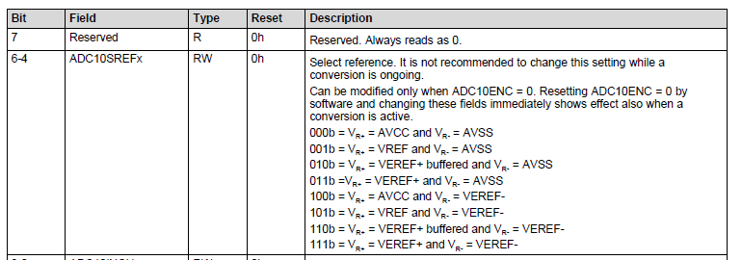
Vr- | AVSS | AVSS
 | 0 | 0
Vr+ | AVCC | REF
 | 3.6 | 2.5
 | (measured)

Need to select R to give largest range of Vo that ADC can accept for best resolution

